Cover Sheet
A cover sheet of the Education and Skills Funding agency are shown. It presents the local authority number, local authority name, contact name, contact email and contact telephone number.


 |  | Section 251 Outturn 2019-20
 |  | XML Generator
 |  | Version 1.0

Local Authority Number: | 205

Local Authority Name: | Hammersmith & Fulham
Contact Name: | Valerie Irolla
Contact Email: | valerie.irolla@lbhf.gov.uk
Contact Telephone: | 2087535808

Instructions
The instructions on completing the return is shown.
Completing the Return
You can view guidance by hovering over cells with a red triangle in the top-right corner. If you need to resize a note, you can do so by going to Review>Edit Note. You are also advised to read the full guidance at: https://www.gov.uk/guidance/section-251-2019-to-2020
Table A
This is information at local authority level that provides an overall picture of the expenditure on schools and the amount being spent on education centrally.
Table A1
This relates to the expenditure on children’s and young people’s services including: sure start children's centres and early years, children looked after, other children and family services, safeguarding children and young people’s services, family support services, services for young people and youth justice.
Values should be entered in all red cells. If the value entered does not match the data validation restrictions for the cell, an error message will be displayed. You will still be able to submit your return, but you will be prompted to enter an explanation within COLLECT.
Uploading the return to COLLECT
When you have finished entering your data, click the ‘Convert to XML’ button on the Cover Sheet. This will create an XML file for uploading to COLLECT.
Log into COLLECT.
On the Source page click on 'Upload Return from file…'

To upload the return, click on the ‘Browse…’ button to navigate to the required XML file. You then need to select ‘Upload’ to load the data.

If data is already loaded you will be asked if you want to overwrite it. Answering no will stop the data load, answering yes will delete the existing data and load the new data.
Important: If a new version of the data is loaded, all error-level notes will be deleted.
Once the file has been successfully loaded the following message will appear.

The data return has now been placed in a queue to be validated. When COLLECT is busy this process may take some time and users may come back later to view any validation errors present within the return.
When you click on ‘OK’ you will return to the ‘Source page’ and the status will be ‘Waiting_for_validation’. When the return reaches the front of the queue, the status on the ‘Source page’ will change to ‘Validation_in_progess’ and then ‘Loaded’ when it is finished.

Addressing any errors/queries
When a return has been uploaded, a number of validation checks are run against the data in that return and will trigger errors or queries.
All errors and queries are highlighted in red against the relevant data item.
To view all errors and queries on the return
Click on ‘All Errors’ at the top of the screen.

You will then be shown a list of all errors and queries relating to your return. You may also find it helpful to download an error report.

Correcting errors
Click on the 'Details' button to see which data items the validation is checking, these will show to the right of the screen. If you click on one of the underlined fields you will be directed to the corresponding data item in the return.
Change the mode of the form to ‘edit’ and then click on the data item that needs to be changed and update it.
Providing clarification/ supplementary information
If you are satisfied that the value is correct, please enter a brief but meaningful note next to the error/query (rather than ‘OK’ or ‘Correct’ etc.).
To enter a note, first click on the pen icon next to the error/query on the far right.

Then click ‘Add New Note’.

Type your note in the box provided and click ‘Create’.



You must enter a note for all errors/queries, except year-on-year queries (3.1.1, 1007, 1008 and 1010).
For year-on-year queries you may either enter a note or choose an option from the drop-down menu at the bottom of the screen which will clear the query.

If you select ‘Other - please provide explanation’, this will not clear the query and you must enter a note next to the query.
To return to the list of errors, click on the 'Error' button.

Editing data within your return
Table A and A1
Use the blue hyperlinks at the bottom of the screen to navigate to the part of your return you wish to edit. Warning: Using the hyperlinks on the left-hand side may result in unexpected behaviour.
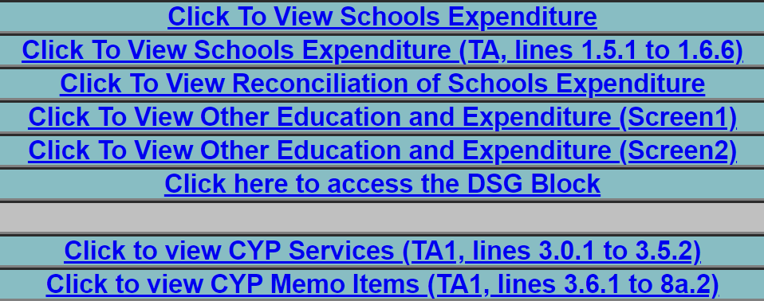

Change the mode of the form to ‘edit’ and then click on the data item that needs to be changed and update it.
Click on 'View' followed by 'Drill Up' to return to the previous screen.
Downloading Reports
On the 'Source Page', click 'Launch Reports'.

Select the relevant report and click 'Launch Report'

Export the report in the desired format.

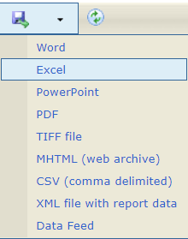

Submitting the Return
Return to the ‘Source Page’ by clicking on ‘Back to My COLLECT page’ located at the top of the form.

Then select ‘Submit Return’.

End of the sheet

